Sheet1
ID | True_Age | Predicted_Age
sample_91 | 13 | 27.044915035 | 14.044915035
sample_73 | 18 | 24.389177335 | 6.3891773352
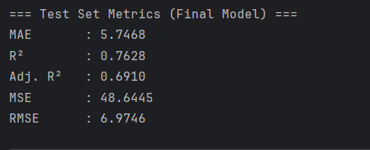
sample_132 | 19 | 25.450593624 | 6.4505936239
sample_167 | 20 | 24.973954676 | 4.9739546758
sample_85 | 21 | 23.046938388 | 2.0469383876
sample_164 | 22 | 31.305051255 | 9.3050512549
sample_210 | 23 | 24.658647683 | 1.6586476828
sample_258 | 24 | 27.399917249 | 3.3999172489
sample_67 | 25 | 31.530815123 | 6.530815123
sample_147 | 26 | 23.111711604 | 2.8882883963
sample_261 | 27 | 23.33429922 | 3.66570078
sample_273 | 28 | 37.79428032 | 9.7942803203
sample_3 | 29 | 31.168554354 | 2.1685543536 | 5.6397564782
sample_191 | 31 | 38.500505749 | 7.5005057486
sample_7 | 32 | 25.033564916 | 6.9664350835
sample_277 | 33 | 34.424510798 | 1.4245107975
sample_270 | 34 | 31.676673742 | 2.3233262578
sample_98 | 35 | 41.00408477 | 6.0040847696
sample_220 | 36 | 27.416889955 | 8.5831100448
sample_113 | 37 | 33.073394888 | 3.9266051117
sample_283 | 38 | 35.968619134 | 2.0313808664
sample_13 | 39 | 38.108433992 | 0.89156600788
sample_15 | 41 | 43.936556443 | 2.9365564433
sample_278 | 42 | 49.002804726 | 7.0028047261
sample_276 | 44 | 31.040969317 | 12.959030683
sample_204 | 45 | 38.137075864 | 6.8629241363
sample_24 | 46 | 45.806919514 | 0.19308048573
sample_269 | 47 | 39.875640702 | 7.1243592978
sample_102 | 48 | 46.217105721 | 1.7828942794
sample_282 | 49 | 50.006413632 | 1.0064136322
sample_236 | 50 | 50.551208424 | 0.5512084239
sample_153 | 51 | 48.53323228 | 2.4667677196
sample_248 | 52 | 45.47031591 | 6.5296840896
sample_244 | 53 | 42.98631787 | 10.01368213
sample_193 | 54 | 51.431390283 | 2.5686097174
sample_247 | 55 | 49.487490806 | 5.512509194
sample_201 | 56 | 46.821428256 | 9.178571744
sample_250 | 57 | 50.280135377 | 6.7198646232
sample_37 | 58 | 43.325517171 | 14.674482829
sample_239 | 59 | 56.475814527 | 2.5241854726
sample_268 | 60 | 53.936451382 | 6.0635486177 | 5.225810819
sample_94 | 61 | 54.455881241 | 6.544118759
sample_54 | 65 | 55.051573481 | 9.9484265188
sample_41 | 66 | 49.271068478 | 16.728931522 | 11.0738256

